Sheet1
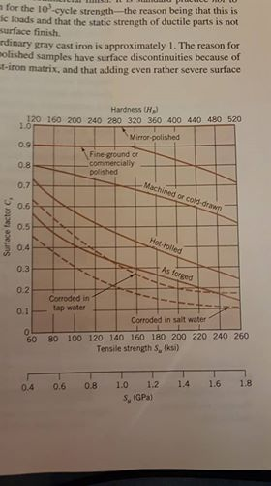
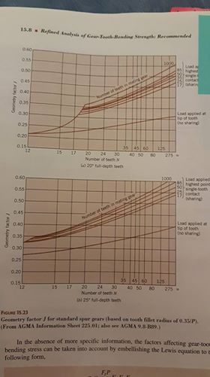
 |  |  |  | Material: |  |  | Forces | 0.0125
Bending SF: |  | 1.5 |  | Sn |  |  | Ft | 1600 | AISI 1018 | (Mpa)
Fatigue SF: |  | 1.5 |  | Sn' | 170.5 |  | Fr | 582.35237483 | Su | 341
 |  |  |  |  |  |  |  |  | Sy | 221
Gear: |  |  | Stress Factors |  |  | Justification
do | 85
dp | 81 |  | Kv | 1 |  | Assume a very low speed
P | 5 |  | Ko | 2.25 |  | Heavy shock
# teeth | 48 |  | Km | 1.6 |  | Assuming less rigid mounting, less accurate. Full face contact (made by students)
b (face w.) | 30
Pr. Angle. | 20 |  | J | 0.35 |  | Table -> p.643

min #teeth | 4.1637589022 |  | Fatigue Factors
 |  |  |  |  |  |  |  |  | Bending:
 |  |  | Cl | 1 |  | Bending |  |  | sigma | 336
 |  |  | Cg | 0.85 |  | P < 5
 |  |  | Cs | 0.8 |  | p.322 graph |  |  | Sn | 145.597452

 |  |  | Kr | 0.897 |  | 90% Reliability |  |  | Fatigue
 |  |  | Kt | 1 |  | Steel gear
 |  |  | Kms | 1.4 |  | Input gear |  |  | sigma h | 85.070346144

 |  |  | Cli | 1.1 |  | 10^6 cycles |  |  | Sh | 75.9
 |  |  | Cr | 1 |  | 99% reliability

 |  |  | Cp | 15.85
 |  |  | Sfe | 69 |  | Steel
 |  |  | R | 1.049382716 |  | 10^6 cycles
 |  |  | I | 0.082284558469

